Pre-requisites
Pre-requisites

 | 1. Java is installed in your machine
 |  | To check use the command line and type java -version
#java -version
java version "1.8.0_144"
Java(TM) SE Runtime Environment (build 1.8.0_144-b01)
Java HotSpot(TM)64-Bit Server VM (build 25.144-b01, mixed mode)

 | 2. Jenkins is already accessible
 |  | Access Jenkins through your browser ex. IE
 |  |  | In our case we are using http://192.168.6.253:28080/, since Jenkins is installed in this virtual machine

 | 3. Git repository is already available

 | a.) | Security
 |  | If you are accessing any SCM (Git, SVN, etc) remotely via SSH, please make sure that you setup the credentials before (preferable using SSH public/private keys).

 | b.) | Internet Connectivity
 |  | Ensure that Internet connectivity is present from the machine on which Jenkins is installed

Configuration
Setup Jenkins with Git

 | 1.) Configure Jenkins with Git

 | In your Jenkins Dashboard (Home screen), click the Manage Jenkins option on the left hand side

 | In the next screen, click the ‘Manage Plugins’ option.
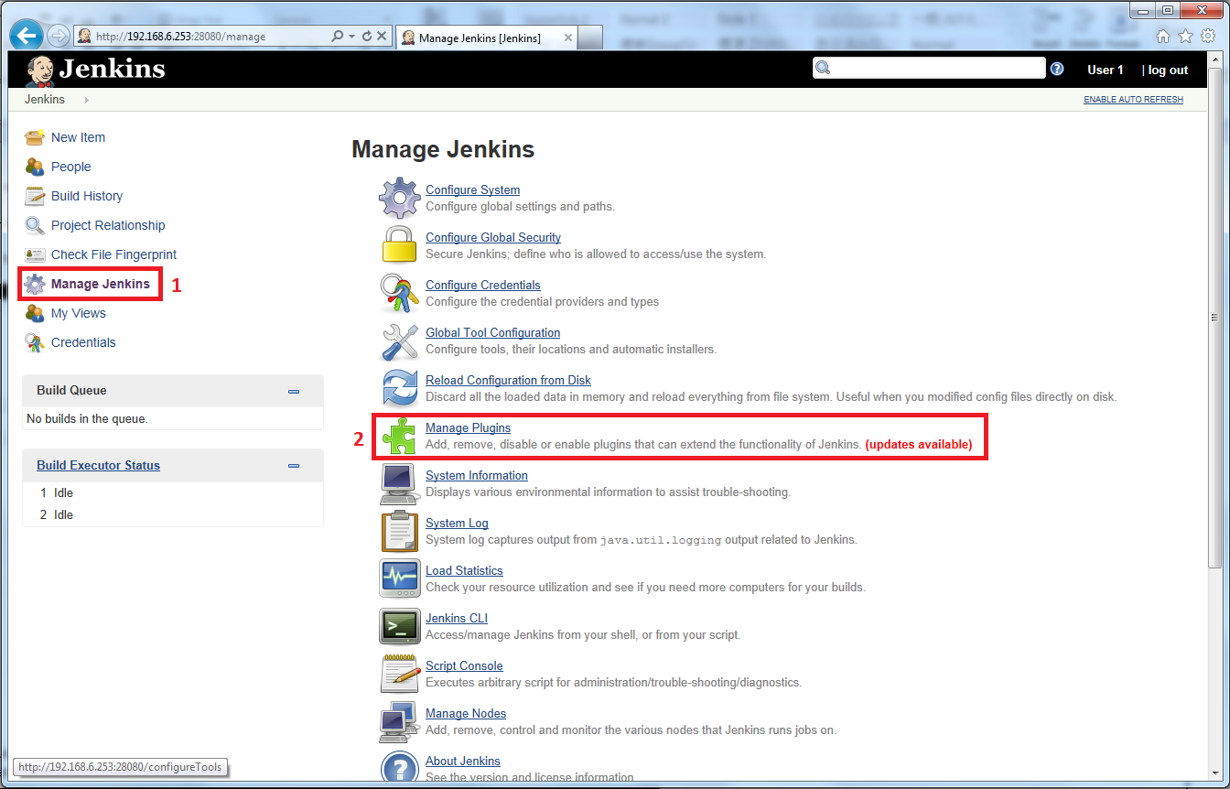

 | In the next screen, click the Available tab. This tab will give a list of plugins which are available for downloading. In the ‘Filter’ tab type ‘Git plugin’. The list will then be filtered. Check the Git Plugin option and click on the button ‘Install without restart’

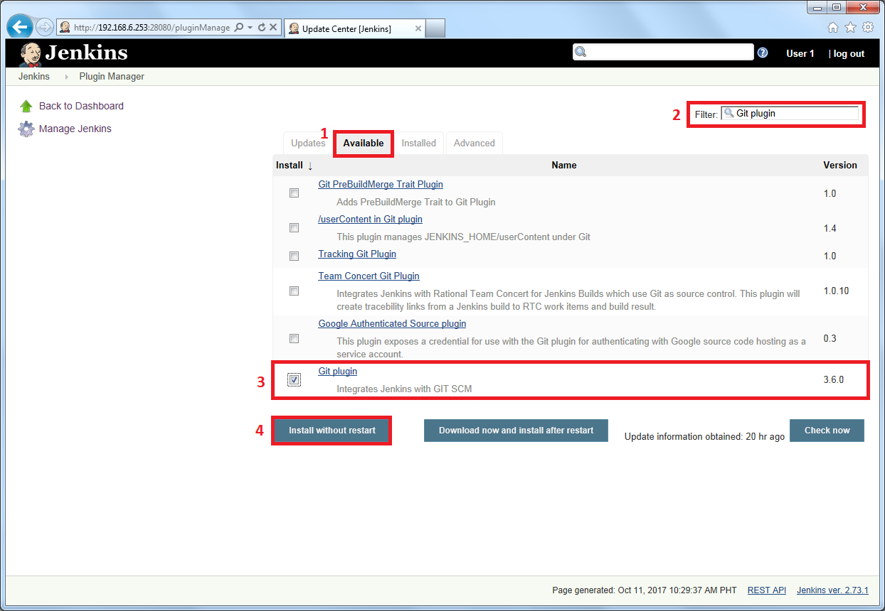

 | The installation will then begin and the screen will be refreshed to show the status of the download.
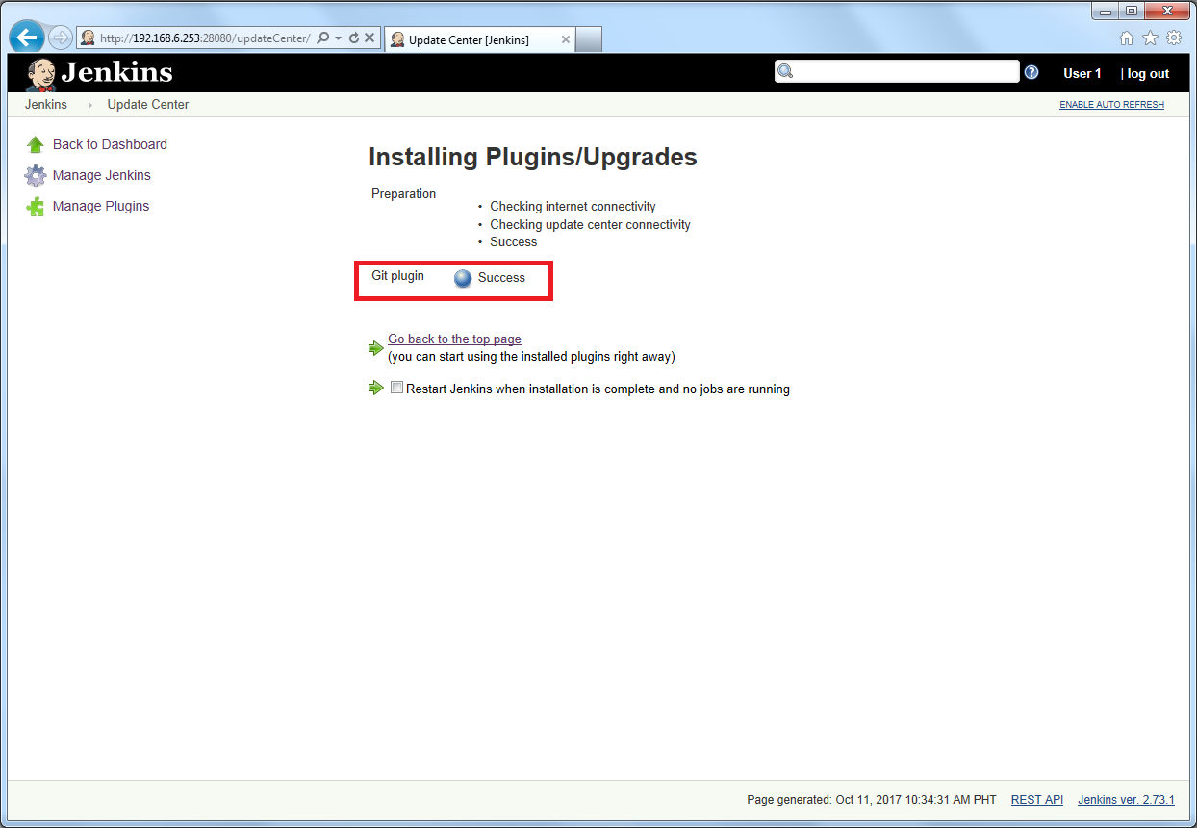

 | Once all installations are complete, restart Jenkins by issue the following command in the browser. http://localhost:8080/restart
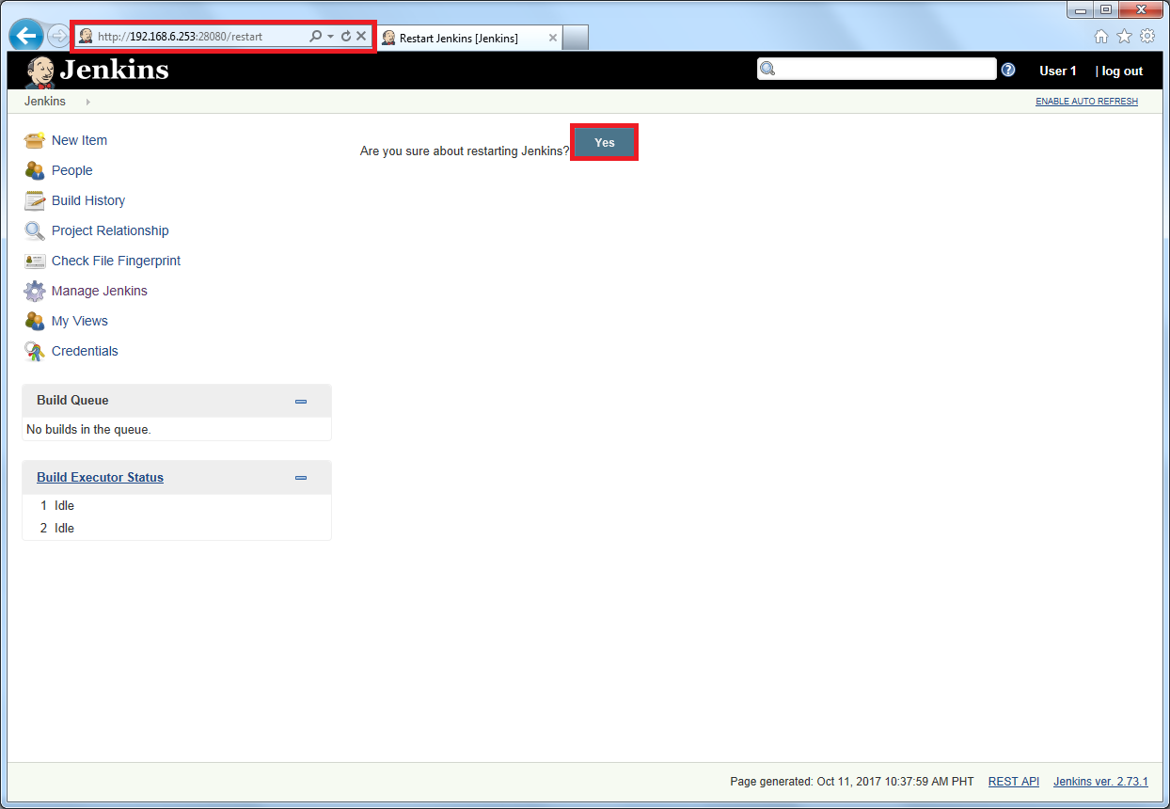

 | In this case, we use http://192.168.6.253:28080/restart since our Jenkins is installed in a virtual machine

 | 2.) Creating Jenkins job with Git as Source Code Management (SCM)

 | After Jenkins is restarted, Git will be available as an option whilst configuring jobs. To verify, click on New Item in the menu options for Jenkins. Then enter a name for a job. Select ‘Freestyle project’ as the item type. Click the Ok button.

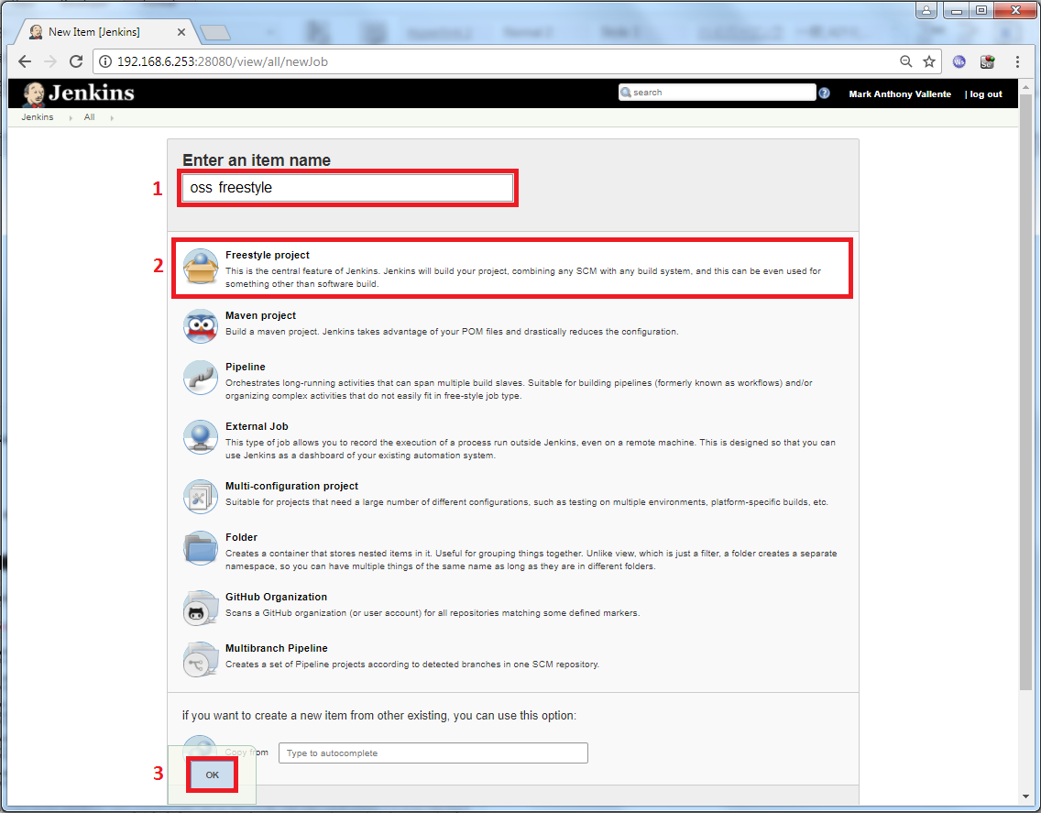

 | In the next screen, if you browse to the Source code Management section, you will now see ‘Git’ as an option.
 | Click on the "Git" to select it. This will expand the section and it will show all git related parameters as shown below.
 | Under the Git section, in the Repositories section, you’ll see the following:

 | Repository URL: This will be the URL of your remote repository. The syntax is same as what you’ll specify in the git command line. For example: username@git-server-ip:/git/repository/full/path

 | The following are some possible syntax for the repository URL:

 |  | ssh://git@github.com/github/git.git
 |  | git@github.com:github/git.git
 |  | ssh://user@other.host.com/~/repos/R.git
 |  | https://github.com/github/git.git
 |  | git://github.com/github/git.git
 |  | ssh://git@localhost/srv/git/repository

 | *Add "ssh://git@localhost/srv/git/repository" as a Repository URL
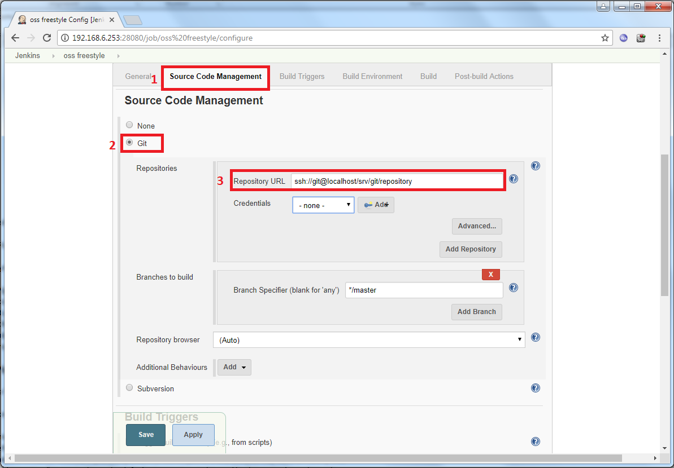

 | Credentials: By default, this will be “None”. There will an “Add” button next to it. From here, you can specify the credentials that are required for the Git URL specified above.

 | Advanced button: When you click on the “Advanced” button, you’ll see two more text boxes. For most cases, you don’t need to enter anything here.

 |  | Name – You can leave this empty, and Jenkins will automatically generate unique name. This “name” is exactly the same as the one used in the git remote command.
 |  | Refspec – The default refspec is “+refs/heads/*:refs/remotes/REPOSITORYNAME/*”. This is Ok for most of you, and you can leave this empty. By default will be retrieve all the branch heads as remotes/repositoryname/branchname. Instead, if you always want to retrive just one branch, you may want to modify this.

 | Add repository button: Click on “Add repository” to create this as the default git repository to be used by this particular Jenkins Job.

 | Branches to build section: In this section under “Branch Specifier (blank for ‘any’):”, the default value is */master. For most cases, you can leave this to default. This will track only the master branch. But, if you leave this blank, all branches will be examined for changes and built. The syntax for this field is: refs/heads/

 | The following are various possible examples for the “Branch Specifier” field:

 |  | refs/heads//origin/master
 |  | remotes/origin/master
 |  | refs/remotes/origin/master
 |  | tag-name
 |  | refs/tags/tag-name
 |  | commit-id
 |  | ${ENV_VARIABLE}
 |  | ${TREEISH}
 |  | refs/tags/${TAGNAME},…
 |  | Wildcards: e,g: *, **
 |  | :regular-expression

 | Add Branch button: Click on this button to add the branch specified in the above “Branch Specifier” field to be used.

 | Repository browser: By default, this drop down list will be set to “Auto”. In most cases, you can just leave it to default. This will create the links for the “changes” view inside the Jenkins to an external system for browsing. The “Auto” option will automatically choose the best possible repository browser for the selected SCM.

 | The following are possible values for this Repository browser:

 |  | Auto
 |  | AssemblaWeb
 |  | FishEye
 |  | Kiln
 |  | Microsoft Team Foundation Server/Visual Studio Team Services
 |  | bitbucketweb
 |  | cgit
 |  | gitblit
 |  | githubweb
 |  | gitiles
 |  | gitlab
 |  | gitlist
 |  | gitoriousweb
 |  | gitweb
 |  | phabricator
 |  | redmineweb
 |  | rhodecode
 |  | stash
 |  | viewgit

 | When you create the repository, you might get the following error:
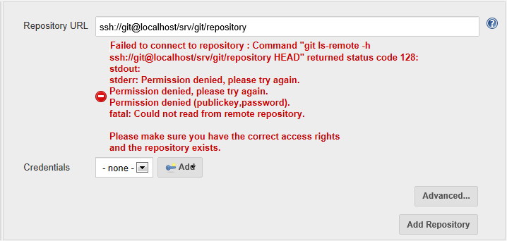

 | Typically, you’ll get the above error message, when your jenkins public key is not yet added to the git authorized keys .

 |  | Generate public/private key pair
 |  |  | We will need to generate a public/private key pair using SSH on the machine where Jenkins is installed. Once you are logged on to the jenkins account, issue the command ssh-keygen to start generating. Just accept the default variables and do NOT specify a passphrase. Please refer to the screenshot below.

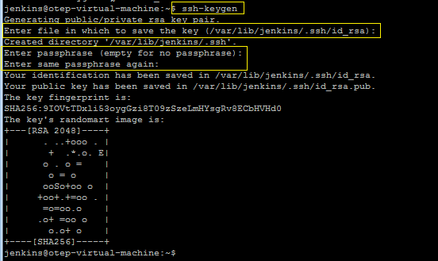

 |  | Adding your public key to the Git's authorized_keys.
 |  |  | You will need to add your public key to the authorized_keys file in the ./ssh/authorized_keys file of the git account. You will need access to this account or get someone with access to do it. Print out the id_rsa.pub file (jenkins account) to the console and copy the entire key.

 |  |  | Copy this key into the git accounts ./.ssh/authorized_keys file. Verify that it is saved.
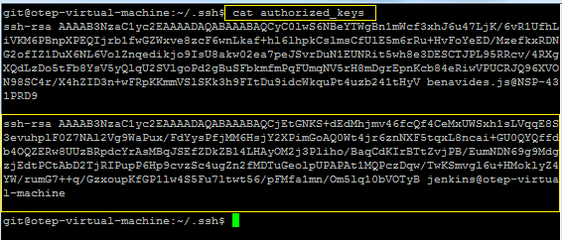

 | 3) Setup Jenkins credentials for Git
 |  | After this, if you want to view all the credentials that you’ve created so far in Jenkins, go to “Jenkins” -> Click on “Credentials” on the menu, which will list all the credentials that you’ve created inside Jenkins so far as shown below.

 |  | Now we go back to Jenkins, click on the Add button and select Jenkins.
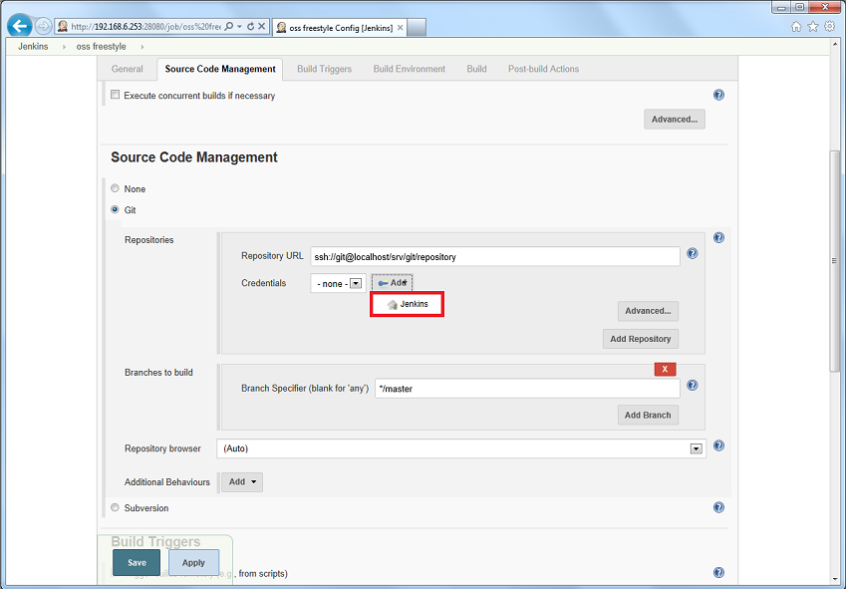

 |  | Select the same information as shown in the screenshot below. As for the ID and Description, you can pick anything you want. This is just for easy identification of your credentials when using this agains different projects. Case in point, git repositories in different servers. When you're done, click the Add button.

 |  | Domain: By default “Global credentials (unrestricted)” is selected. Other option is: “Username and password”. Use default.
 |  | Kind: The following are the possible options:
 |  |  | Username and password (This is shown in the above screenshot).
 |  |  | SSH Username with private key
 |  |  | Secret file
 |  |  | Secret text
 |  |  | Certificate
 |  | Username – Specify the username that will be used to connect to the remote git repository
 |  | Password – Specify the password for the above username.
 |  | ID – Leave this empty. This is an internal unique ID that are used to identify this credentials in the job. When you leave this empty, Jenkins will auto generate an id.
 |  | Description – Descriptive notes about this credentials

 |  | If you choose SSH Username with private key as Kind, the following inputs will display
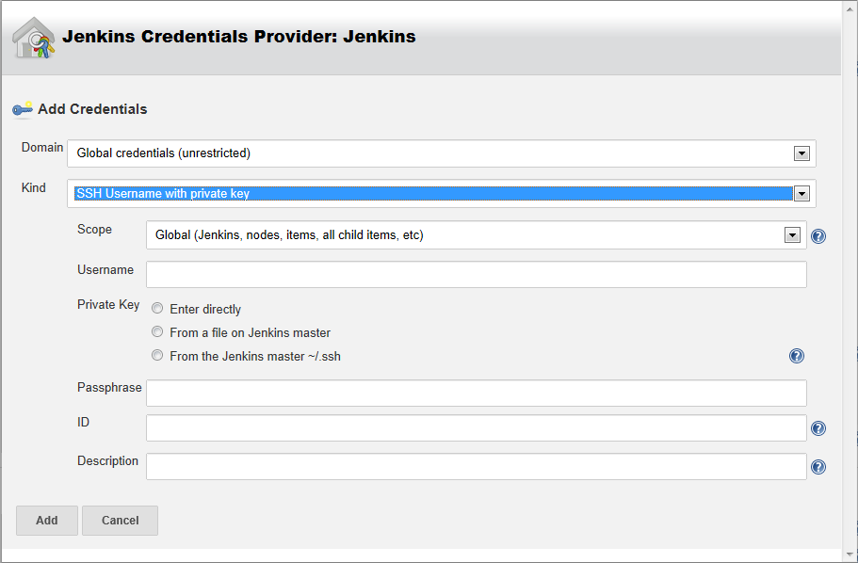

 |  | Kind: SSH Username with Private Key
 |  | Username – Specify the username that will be used to connect to the remote git repository
 |  | Private Key: The following are three options for this:
 |  |  |  | Enter directly
 |  |  |  | From a file on Jenkins master
 |  |  |  | From the Jenkins master ~/.ssh
 |  | Passphrase – The passphrase for your key
 |  | ID – The unique ID (same as what is explained above)
 |  | Description – Notes

 |  | From the selected kind 'SSH Username with private key', input the following:
 |  |  | Username: | git
 |  |  | Private Key: | From the Jenkins master ~/.ssh
 |  |  | Passphrase: | leave it empty
 |  |  | ID: | git
 |  |  | Description: | git(.ssh)

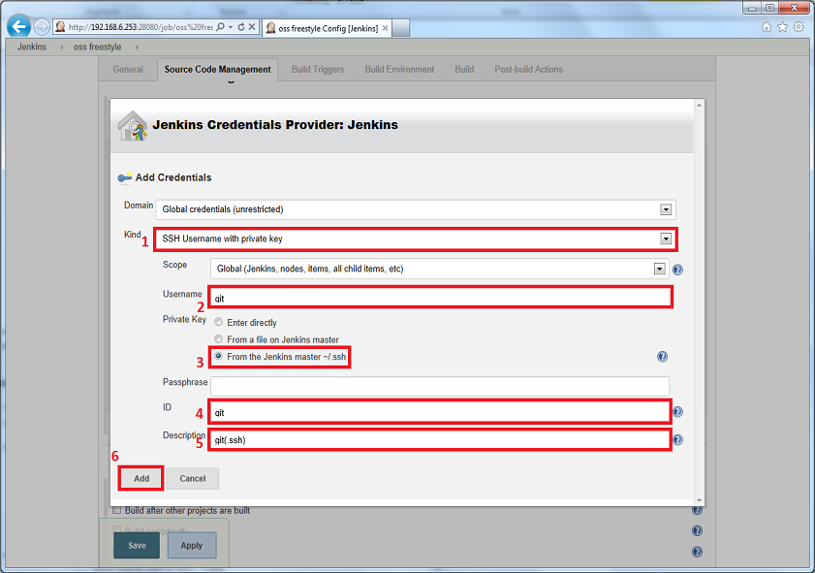

 |  | After all the inputs are done, click Add

 |  | You'll come back to your project configuration screen with the newly created credentials pre-selected. You can now enter the git repository URL in the provided field. You can leave the branch specifier to master by default.

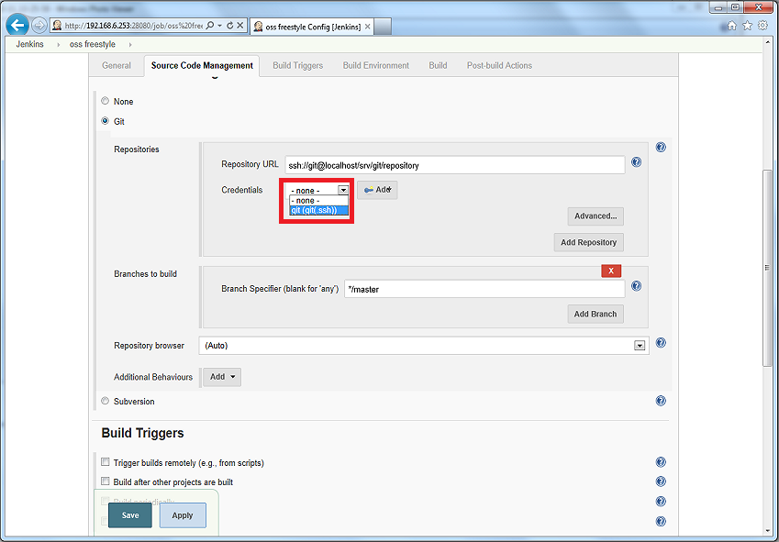

 |  | So far we’ve created a new Jenkins job and associated it to a specific git repository, and specified which branch from the repository to be used when this particular job is executed.

 | After the configuration of Source Code Management, proceed and click Build Triggers. For the Build Triggers section, we would want to select Poll SCM but
 | do not specify any schedule. We will trigger this project using the git hook post-receive.
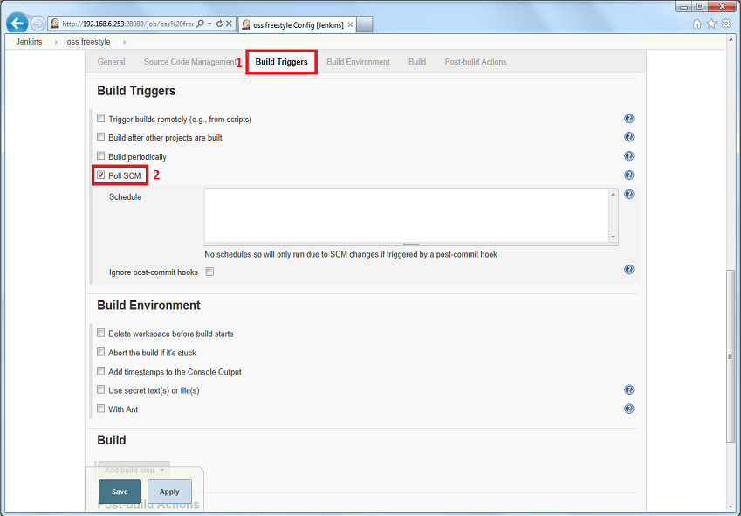

 | Once you're done configuring your project, you can click Save.
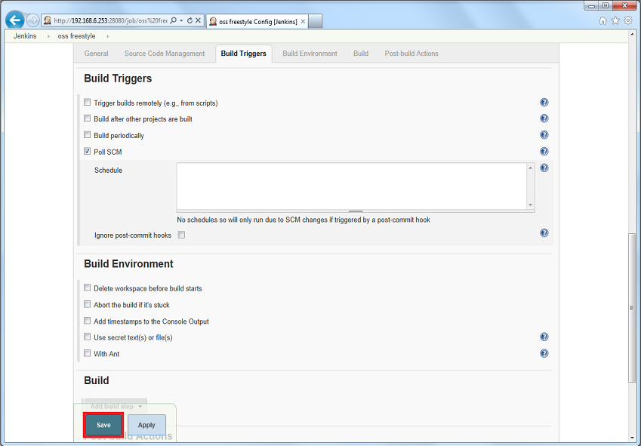

Sources:

 | https://jenkins.io/doc/book/getting-started/installing/
 | http://www.thegeekstuff.com/2016/10/jenkins-git-setup

